Overall Briefing Document
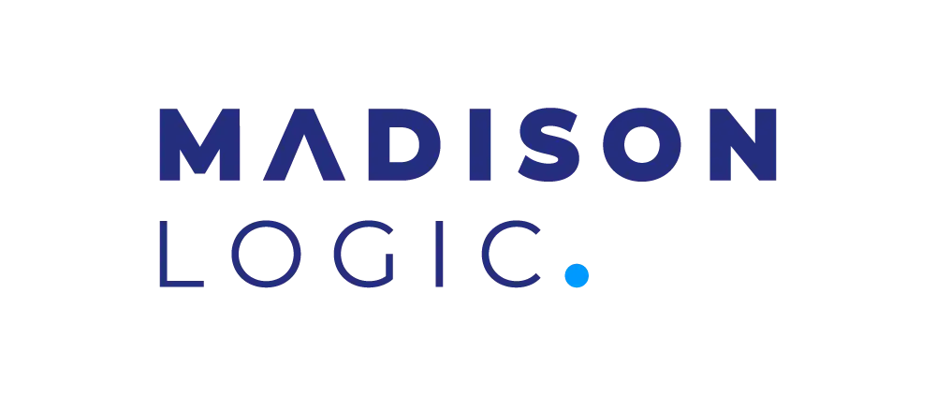
Client | Autodesk EMEA |  | Additional / Follow-Up Points
Campaign | AutoDesk EMEA - ENT Big Rock Manu - Q2-25
Timeline / Launch Date
Channels | CS-Single Touch
Content Syndication | Yes
Display | No
LinkedIn Integration | No
MLP Access | Yes
Booking Info | Campaign | Rate | Leads | Cost
 | Digital Factory | 55 | 72 | $3,960.00
 | Connected Data | 55 | 73 | $4,015.00
 | Total |  |  | $7,975.00
Pacing | Even Weekly
Pacing / Leads Delivery Day | Once we have 100% leads
Job Titles | in the following tab
Exclusions | as per TAL
lndustries | as per TAL
Account List | in the following tab
Company Size | as per TAL
Countries | UK, Nordics, Benelux, France, Germany, Switzerland, Austria, Italy, Spain, Portugal
Lead Cap | Unlimited
Intent/Trending Topics | in the following tab
Assets | in the following tab

Languages | English
Lead delivery / Integration | Sharefile? (TBC)
Lead delivery Template | in the following tab
Opt-In | I agree to Autodesk's Terms of Use and acknowledge its Privacy Statement* | Privacy Statement English
KPIs / Success Metrics? | TBC by Mar

